80s Historical
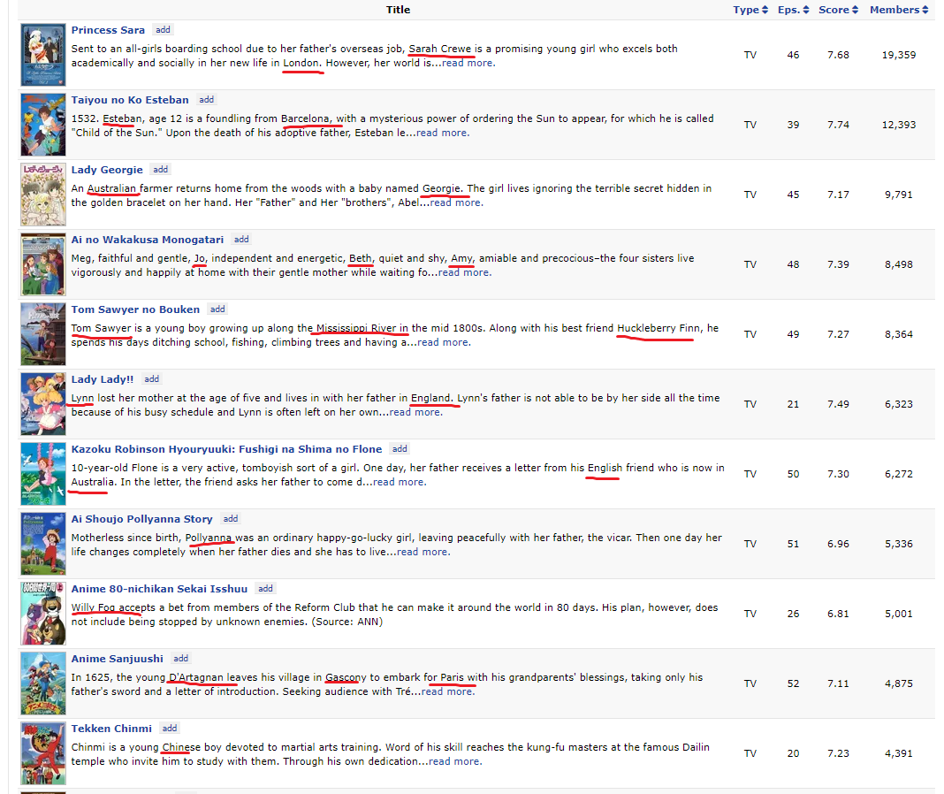
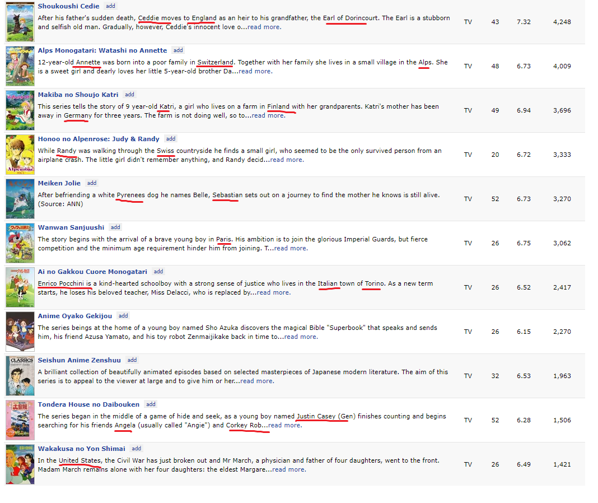
There seem to be pracitcally no historical anime in the 80s, the only series I have found under the historical tag that anyone has ever heard of take place overseas.

